Tasks
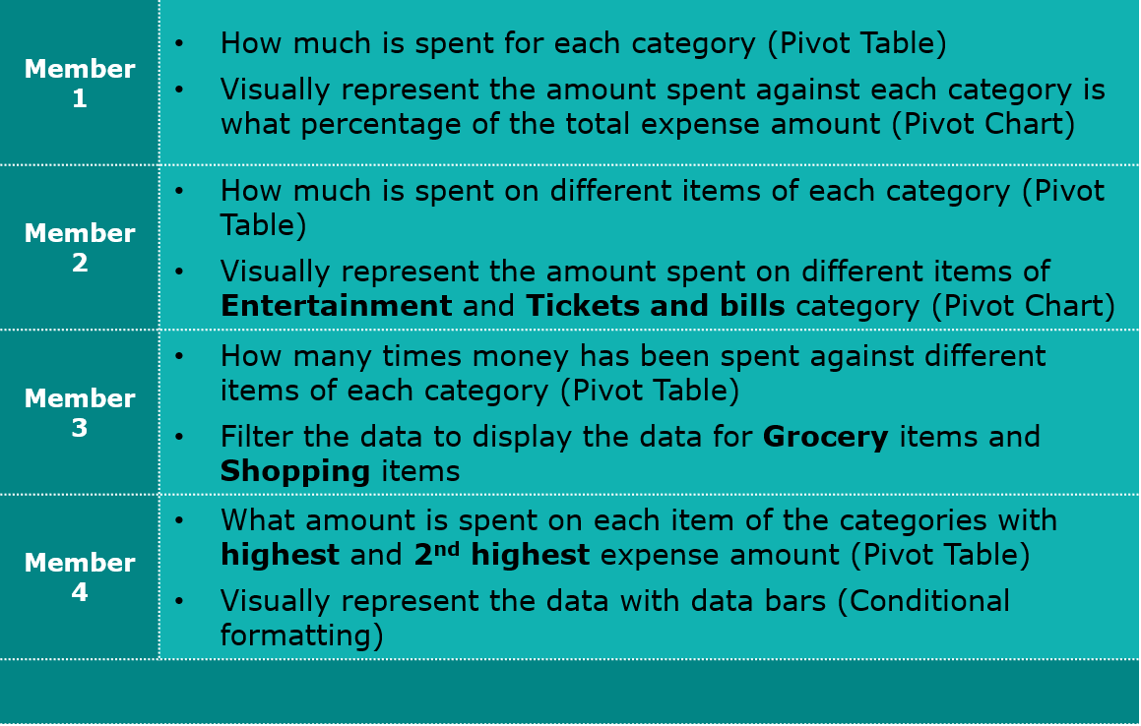

Task 1
Row Labels | Sum of Expense (INR)
Doctor and Medicine | 450
Entertainment | 1000
Food | 850
Grocery | 4690
Miscellaneous | 500
Shopping | 3500
Ticket and Bills | 2570
Grand Total | 13560

Task 2
Row Labels | Sum of Expense (INR)
Doctor and Medicine | 450
Entertainment | 1000
Food | 850
Grocery | 4690
Miscellaneous | 500
Shopping | 3500
Ticket and Bills | 2570
Grand Total | 13560

Task 3
Row Labels | Sum of Expense (INR)
Doctor and Medicine | 450
Mother's Medicine | 450
Entertainment | 1000
Movie | 1000
Food | 850
Chips and Fries | 250
Online Food Order | 600
Grocery | 4690
Beverages | 250
Bread and bakery | 500
Foodgrains and cereals | 1050
Fruit | 650
Oil and spices | 550
Vegetables | 1690
Miscellaneous | 500
Sister's birthday gift | 500
Shopping | 3500
Shoes | 1000
Tshirt and Jeans | 2500
Ticket and Bills | 2570
Electricity bill | 370
Gas | 850
House help | 1000
Railway monthly ticket | 350
Grand Total | 13560

Task 4
Row Labels | Sum of Expense (INR)
Entertainment | 1000
Movie | 1000
Ticket and Bills | 2570
Electricity bill | 370
Gas | 850
House help | 1000
Railway monthly ticket | 350
Grand Total | 3570

Task 5
Row Labels | Count of Expense (INR)
Doctor and Medicine | 1
Entertainment | 4
Food | 6
Grocery | 15
Miscellaneous | 1
Shopping | 2
Ticket and Bills | 4
Grand Total | 33

Task 6
Row Labels | Sum of Expense (INR)
Grocery | 4690
Beverages | 250
Bread and bakery | 500
Foodgrains and cereals | 1050
Fruit | 650
Oil and spices | 550
Vegetables | 1690
Shopping | 3500
Shoes | 1000
Tshirt and Jeans | 2500
Grand Total | 8190

Task 7
Row Labels | Sum of Expense (INR)
Grocery | 4690
Beverages | 250
Bread and bakery | 500
Foodgrains and cereals | 1050
Fruit | 650
Oil and spices | 550
Vegetables | 1690
Shopping | 3500
Shoes | 1000
Tshirt and Jeans | 2500
Grand Total | 8190

Group Tasks
All members need to discuss and analyse data and find out:
The category with the highest expense amount
Total expense amount against entertainment and shopping
Number of times Nitin has ordered food online and the amount spent for it
Number of times Nitin has watched a movie
The less essential category that Nitin may remove to increase his savings
The group members need to copy the tables and charts along with the findings to a ppt or a document for presentation.

Group task 1
Row Labels | Sum of Expense (INR)
Doctor and Medicine | 450
Entertainment | 1000
Food | 850
Grocery | 4690
Miscellaneous | 500
Shopping | 3500
Ticket and Bills | 2570
Grand Total | 13560

Group Task 2
Row Labels | Sum of Expense (INR)
Entertainment | 1000
Shopping | 3500
Grand Total | 4500

Group Task 3
Row Labels | Sum of Expense (INR) | Count of Items
Online Food Order | 600 | 4
Grand Total | 600 | 4

Group Task 4
Row Labels | Count of Items
Movie | 4
Grand Total | 4

